Info
 |  | Per Q125
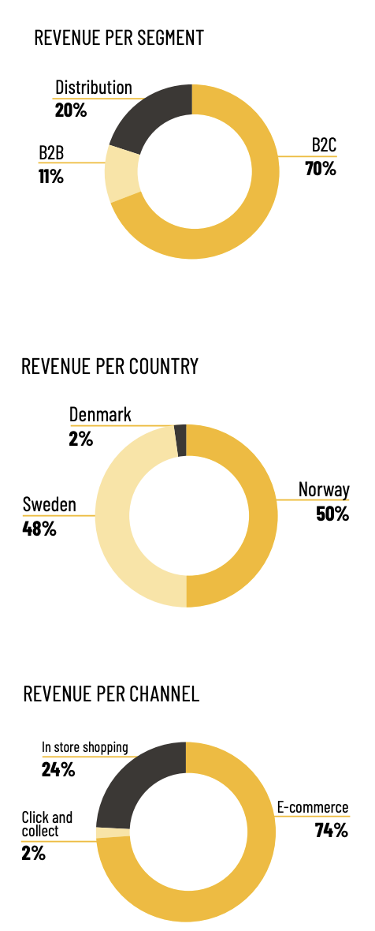

Finansielle mål:
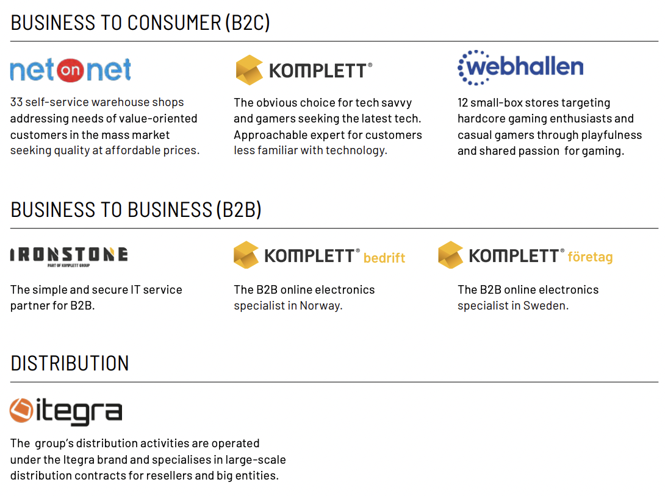
18 mrd innen 2026
20 mrd innen 2028

3-4% EBIT-margin

Selskapet har tre business-arenaer:
komplett service | 100% online
NetOnNet | 45% online, 3 butikker i norge og 28 i Svergie
Webhallen | 70% online, 12 butikker i Sverige

Deler inn sine kunder inn i tre segmenter:

B2C
B2B
Distribution

Største aksjonærer:

Canica
SIBA | Kom gjennm fusjonen med NetOnNet, deretter med komplett

Press releases
18.06.25: Ros-Marie Grusén blir ny CEO i komplett
15.01.25: CEO Jan Ivar Semlitsch går av som CEO
25.11.24: Anders Odden, styremedlem, selger 8 333 aksjer. Eier etter dette ingen aksjer
11.11.24: Andera Westgaard, Group commercial director, kjøper 100 000 aksjer, eier etter dette 158 147
11.11.24: Trygve Hillesland, Sheriff av webhallen, har kjøpt 45 000 aksjer, eier etter dette 45 000

